Guidelines on how to fill Form
TREASURY
Government Asset Register (GAR)
Guidelines on how to fill GAR Asset Book Reconciliation Form

Guidelines for Table 1
Fields | Guidelines
Ministry/ Department | To record the name of the Ministry/Department (For example, Treasury)
Asset Book Code | To select the Asset book of the Ministry/Department from the list available (For example, TRY - Treasury)
Period | To specify the month/period covered by the Reconciliation (For example, SEP-22)
Reference | To be filled by GAR section at Treasury

Guidelines for Table 2- Prepared By
Fields | Guidelines
Name | To record the name of the GAR User
Designation | To record the designation of the GAR User (For example, Management Support Officer)
Date | To record the date of signature
Signature | Signature of the GAR User

Guidelines for Section A
In Section A, the GAR user will have to record the reconciliation of assets acquired only under Economic classification 22040001 and 22040002.
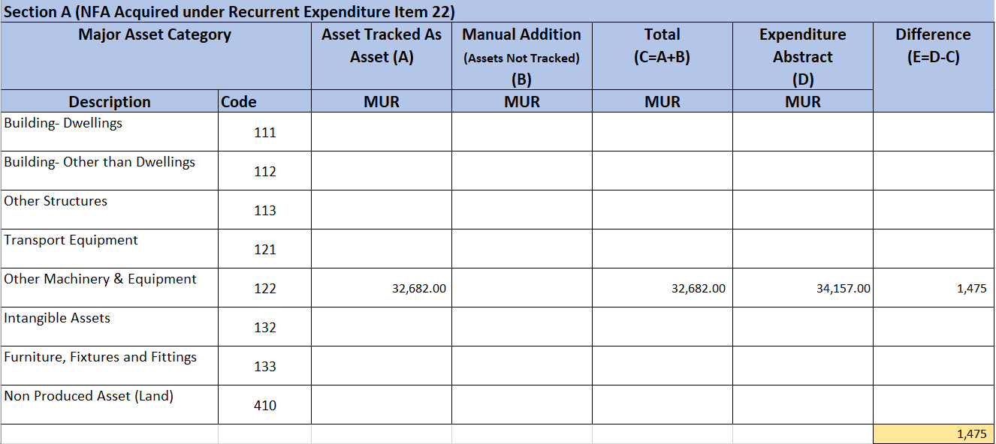

Fields | Guidelines
Asset Tracked As Asset (A) | To record the cost of assets tracked in GAR system. In the above example, there are two assets which have been tracked namely Water Tank amounting to Rs 22,800, External hard drive amounting to Rs 9,882 totalling Rs 32,682.
Manual Addition (Assets Not Tracked) (B) | To record the cost of the assets if any, which has been added manually by the GAR User.
Total (C= A + B) | Total field C is an aggregate of fields A and B. In above example, Total is Rs 32,682.
Expenditure Abstract (D) | To insert the Total Expenditure of the item Abstract. In the above example, the Total is Rs 34,157 (refer to screenshot of Abstract 22040001 below).
Difference (E=D-C) | The difference should be justified in Section C (E.g it may represent non-asset items). In the above example, Sanitizer Dispenser is not asset (refer to screenshot of Abstract 22040001 on the next page).
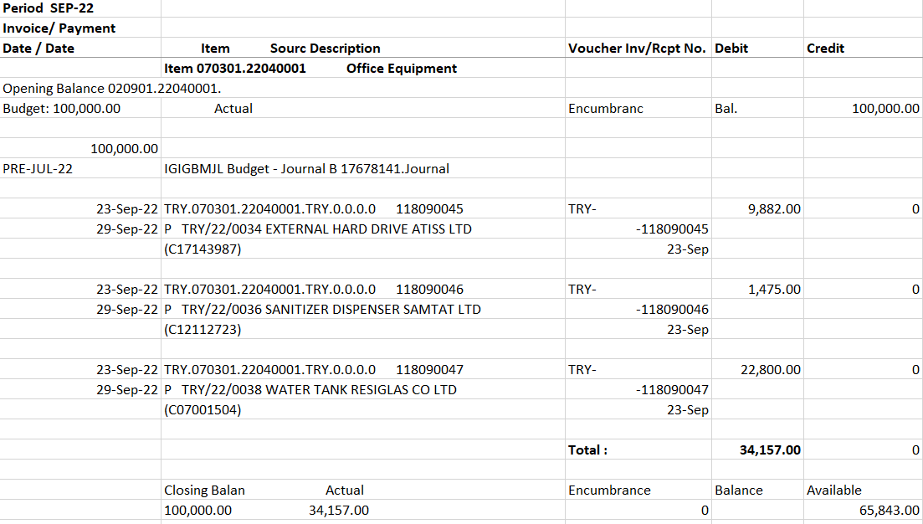

Guidelines for Section B
In Section B, the GAR user will have to record the reconciliation of assets acquired under Economic classification starting with 31.

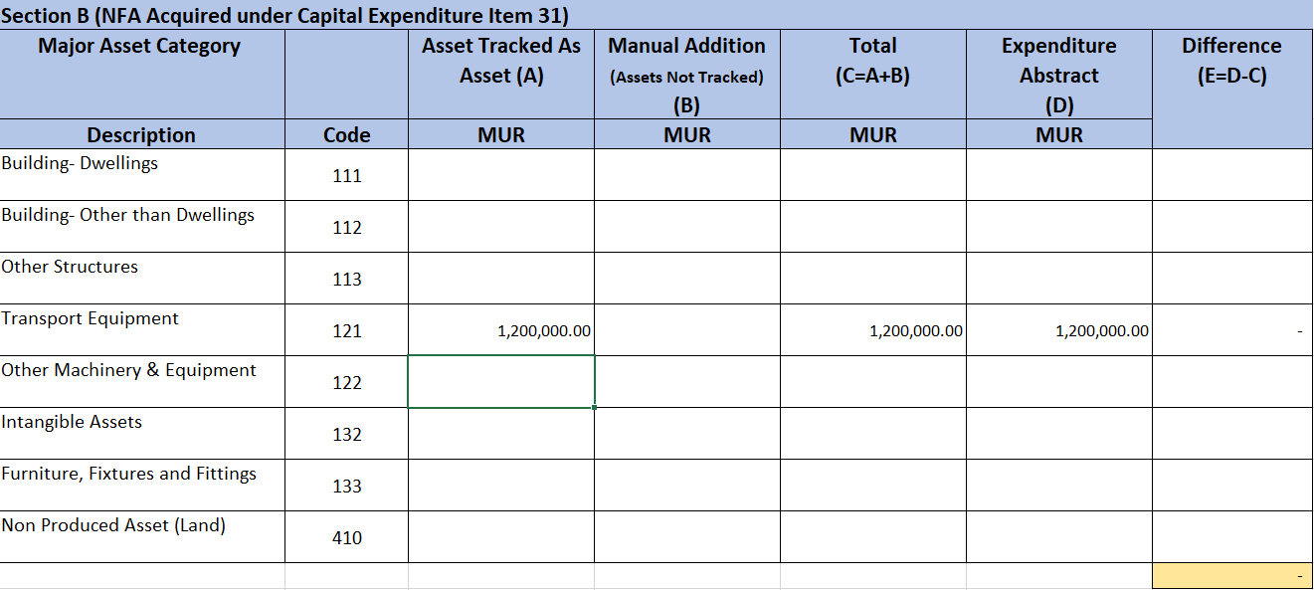

Fields | Guidelines
Asset Tracked As Asset (A) | To rocord the cost of assets tracked in GAR system. In the above example, there is one asset which has been tracked namely Car (Transport Equipment) amounting to Rs 1,200,000.
Manual Addition (Assets Not Tracked) (B) | To record the cost of assets if any which has been added manually by the GAR User.
Total (C= A + B) | Total field C is an aggregate of fields A and B. In above example, Total is Rs 1,200,000.
Expenditure Abstract (D) | To record the Total of the Expenditure Abstract. In the above example, the Total is Rs 1,200,000 (refer to screenshot of Abstract 31121801 below).
Difference (E=D-C) | The difference should be justified in Section C (E.g it may represent non-asset items). In the above example, there is no difference.

Guidelines for Section C

Fields | Guidelines
Section C (Remarks for Section A and B) | The GAR User will have to provide an explanation of the differences found in Sections A and B. Refer to above example.

Guidelines for Section D
In Section D, the GAR user will have to record the reconciliation of assets acquired under Economic classification other than 22040001 and 22040002 and 31.
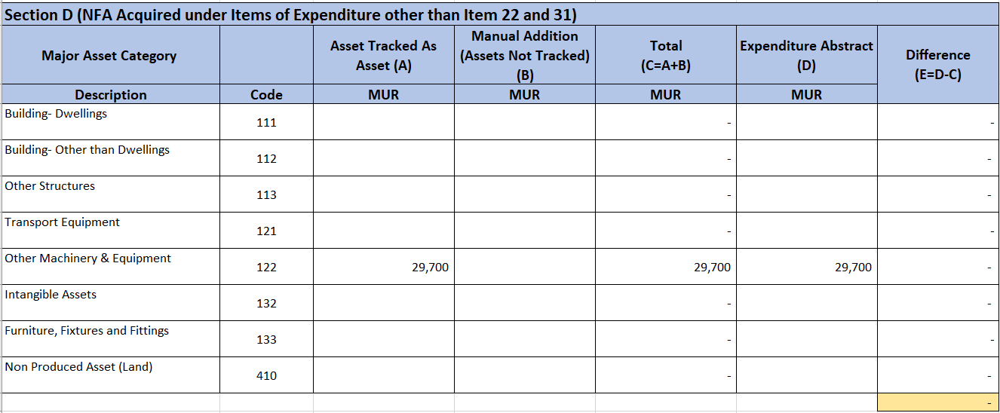

Fields | Guidelines
Asset Tracked As Asset (A) | To record the cost of assets tracked in GAR system. In the above example, a printer amounting to Rs 29,700 has been tracked as asset.
Manual Addition (Assets Not Tracked) (B) | To record the cost of assets if any which has been added manually by the GAR User
Total (C= A + B) | Total field C is an aggregate of fields A and B. In above example, Total is Rs 29,700.
Expenditure Abstract (D) | To record the Total of the Expenditure Abstract. In the above example, the amount is Rs 29,700 (refer to screenshot of Abstract 22060001 below).
Difference (E=D-C) | The difference should be justified in Section F (E.g it may represent non-asset items)

Guidelines for Section E
In Section E, the GAR User will have to record through Manual Additions all assets received as donation from an Organisation or transferred from another Ministry/Department.
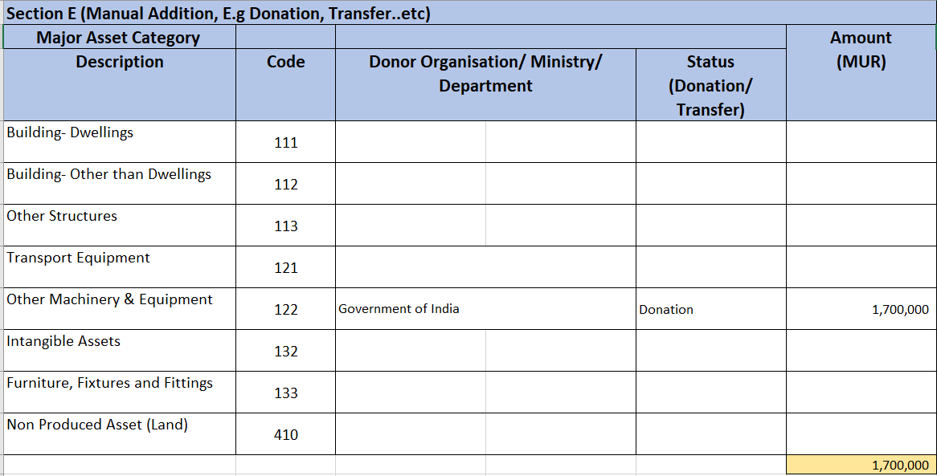

Fields | Guidelines
Donor Organisation/ Ministry/ Department | To record the name of Donor Organisation/Ministry/Department. In the above example, the name of the Donor Organisation is Government of India.
Status (Donation/Transfer) | To record the status corresponding to the process through which the asset/s were received by the Ministry/Department. In the above example, it is through Donation.
Amount (MUR) | To record the cost of the assets received. In the above example, it is Rs 1,700,000.

Guidelines for Section F

Fields | Guidelines
Section F (Remarks for Section D and E) | The GAR User has to record the details of the Assets transferred/donated such as Name of Donors or Ministry/Department from which the assets were received. Refer to above example.

Guidelines for Table 3- Verified by
Fields | Guidelines
Name | To record the name of the GAR Coordinator
Designation | To record the designation of the GAR Coordinator (For example, Assistant Permanent Secretary)
Date | To record the verification date
Signature | Signature of the GAR Coordinator

